Job
SET-UP | Cleaning | Time (h)
 |  | 1
 | Material Change | Time (h)
 |  | 3
PREPARATION | Heating (target 60°C) | Time(h) | Energy cons (kWh) | Heating (target 80°C) | Time(h) | Energy cons (kWh)
 |  | 0.25 | 0.06 |  | 0.5 | 0.11
 | Inertization (target 0.1%) | Time(h) | Energy cons (kWh) | Gas cons (l/min)
 |  | 0.417 | 0.56 | 25
BUILD PROCESS | #JOB | Material | MACHINE1 PGreen150 |  | MACHINE2 PS150 IR |  | MACHINE3 PG150 dual IR |  | Gas cons (l/min) | Target temperature (°C) | Target oxygen (%) | Preparation time | Preparation consumption
 |  |  | Energy cons (kWh) | Time (h) | Energy cons (kWh) | Time (h) | Energy cons (kWh) | Time (h)
 | Job1 | Copper | 1.92 | 0.784 | 2.25 | 1.62 |  |  | 4 | 80 | 0.1 | 0.917
 | Job2 | Copper | 4 | 3 | 4.1 | 5 | 4.7 | 2 | 4 | 80 | 0.1 | 0.917
 | Job3 | Co-Cr |  |  | 3.5 | 5 | 3.7 | 2 | 4 | 60 | 0.1 | 0.667
 | Job4 | Co-Cr |  |  | 3.6 | 12 | 4 | 7 | 4 | 60 | 0.1 | 0.667
 | Job5 | Inconel |  |  | 3.6 | 62 | 4.1 | 50 | 4 | 60 | 0.1 | 0.667
 | Job6 | Inconel |  |  | 3.5 | 8 | 4 | 7 | 4 | 60 | 0.1 | 0.667
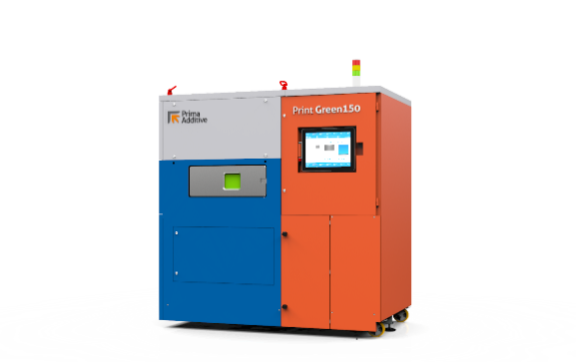
 | Job7 | Copper | 4.1 | 13 | 3.6 | 21 | 4 | 13 | 4 | 80 | 0.1 | 0.917
 | Job8 | Copper alloy | 4.1 | 11 | 3.6 | 24 | 4.1 | 13 | 4 | 80 | 0.1 | 0.917

